Checklist
Art Checklist
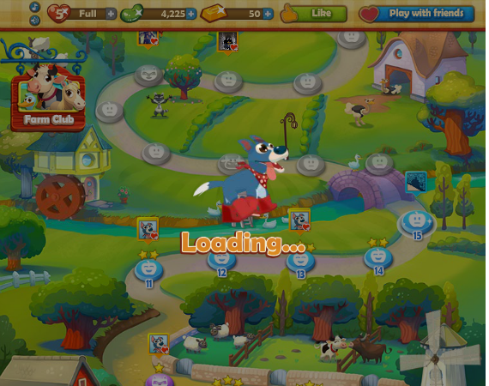
Farm heroes loading screen - running dog
1. Map
 | a) Animations on the map
 |  | clouds
 |  | birds
 |  | some moving objects?
 | b) Map level handle revise
 |  | how to indicate player's current level?
2. Game screens additional buttons
 | Quit button--> might as well support -->
 |  | -----------------------------
 |  | Surrender game?
 |  | [yes][no way!] [restart]
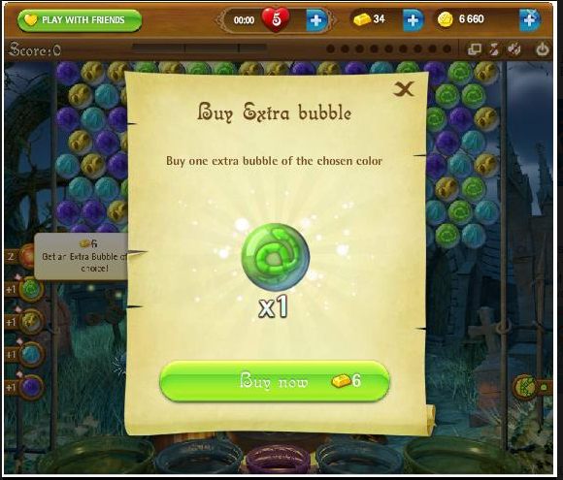
 |  | -----------------------------
3. Sound Off/On button (check bubble witch or Titays for reference)
 |  |  |  | (include mouse hover)

4. Loading animation overlay (this is different from loading screen)
 | -- make it an animated sprite NOT just "Loading" text |  |  |  |  |  | Common window for single item purchase

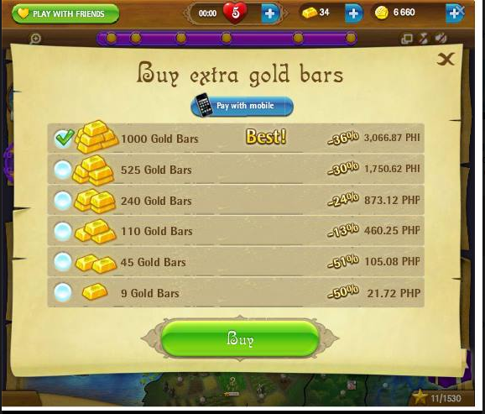
5. Purchase window
 | a. Purchase Booster screen
 | b. purchase additional bubble screen (pop-up during gameplay)
 | c. Purchase Gold screen
 | d. Purchase Life/heart screen

 | I suggest i common nalang ang |  |  |  | (i) ang content nalang of things to buy ang mag differ IF purchasing a single item
 |  | window sprite, |  |  |  | just like buying boosters or heart,
 |  |  | for multiple item(buying gold and coins) |  | (ii)Pero if buying Gold or coins, same style as the other facebook games,
 |  |  | for buying single item |  |  | present the option as a list to choose.
 |  | BUY button, |  |  | See bubble witch or any other king.com games for reference.
 |  | Close button |  |  | Some King.com games are Farm heroes, candy crush saga, pet rescue saga, etc.

 |  |  |  |  | (iii) spliced generic gold bars, gold coin items para ma reuse, example. Gold icon on the button during purchase.

6. booster graphics
 | a) for UI
 |  | - level info screen (with the "+" button para mo purchase cla sa boosters).
 |  | - i display during purchase booster, mo pop-up ang purchase window, then naay booster na paliton na info sa window.
 |  | - idisplay sa top left sa in-game, if player wants to use the boosters during game.
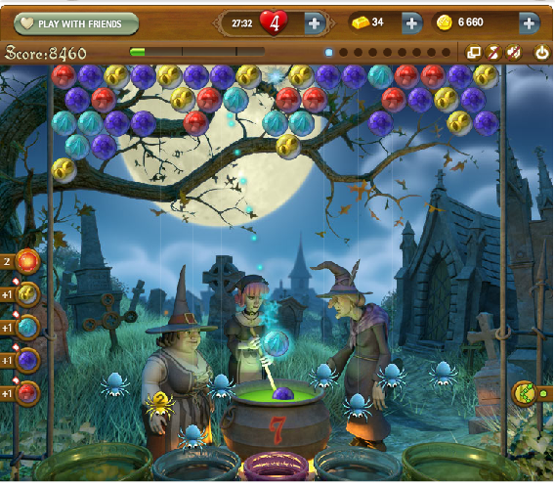
 | b) for ingame
 | :: needs more graphics for animation?

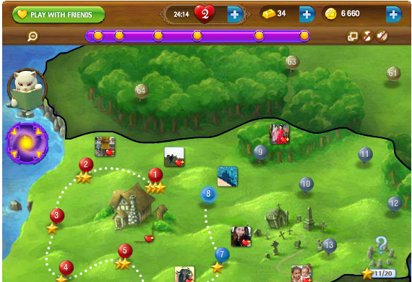
7. Progress Bar for Stars/Scores
 | - In game progress bar to show achievement of score and how many stars were earned.
 | - Scores achievement bar on the Map screen

 | (use for levelling and achievement system)

 |  | 1. putting the bar on the map screen just like bubble witch to indicate the player's total score, and on certain score the player achieve or will be rewarded with something from the game?
 |  | 2. the bar that indicates the player's score inside game screen to achieve the stars

 |  | Just a suggestion lang:
 |  | (we can also make the progress bar Vertical and will be displayed at the right side of the game and/or map screen or wherever it is visually appealing). |  |  |  |  |  | <<--- Meg: woooh I was thinking the same thing haha
 |  | (but a horizontal bar in map screen and a vertical bar in game screen is also an option).

8. loading screen (similar to candy crush, bubblemeadow, titays)
 | - Progress bar sprite samples has been uploaded in FB group. Please check

9. Background for other levels (the lowest of priority)
 | - start planning for the next 3 background concept

10. Arrow Keys in Map
 | - used to toggle 'Window Pane' in the map.

11. Horizontal Bar in game screen.
 | - for 'bank shot only ' gameplay

12. 'No More Bubbles' text sprite (not priority/optional)
 | - displayed along with 'Game Over' text sprite

13. 'Play Again' text sprite (not priority/optional)
 | - Displayed at the bottom right bottom during level failed screen.

14. Award life screens
 | - See 'Additional Screen' sheet
15. Ask Life screen/button
 | - See 'Additional Screen' sheet.

16. Award screen
 | - This will pop-up when user is awarded something. Example: Player is awarded booster when reached a certain score
 | Maybe we can use the purchase window (single) sprite for award screen as well? We just add "OK" sprite on the button.

17. Information or Tip screen
 | - before the game screen, there will be a window that will present some info and/or tip. How do we handle this? Just small window with text or will we include some graphics?
 | - "OK" text sprite is needed (same as #16 for Award Screen).

18. Loading sprite before purchase screen.
 | - see Additional screen #3
 | - icon displayed before a purchase item(s) are displayed. During this time, the app is contacting the server for price of the item.

19. Icons for facebook app
 | - See "facebook images" sheet

21. Additional Boosters (From Andre)
 | Include Die animation for each booster
 | Include Purchase sprites in Level Info screen and Purchase Single Window

 | Horizontal Destroy Bubble
 | Vertical Destroy Bubble
 | Color Destroy Bubble

22. Wall/brick sprite for the stomp game play
 | - Similar to Puzzle Bobble.

23. Additional bubble
 | Rock Bubble
 | Iron Bubble - but we can use the "Gray" sprite for this.
 | "IN animation" for all default bubbles for survival mode

Pending from week2
1. Game screens pending
 | - failed and win animation sa monster and mayordoma
 | - water fall animation for the background
 | - disappear hammer animation - used after 'worry' animation. |  |  |  | (not priority).

Additional Screen
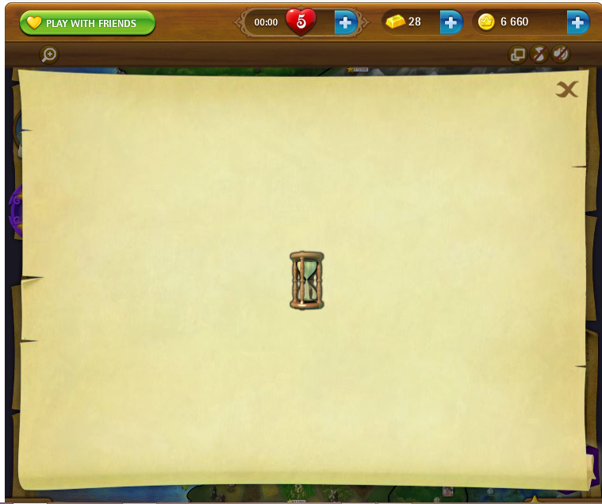
1. Award/Give Life screen from players who are requesting lives
when user ask for life from you the list of those users are presented in a window.

Candy Crush

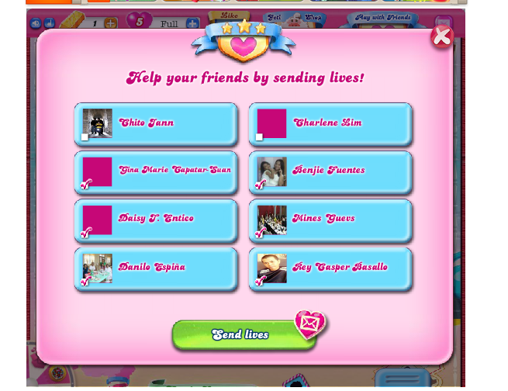
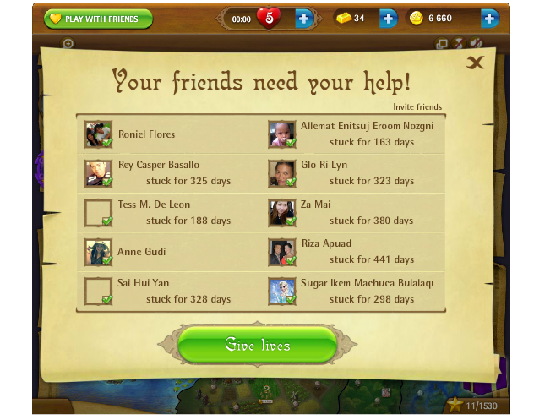

And maybe perhaps a way to tell the user that they receive a life from a friend? We can use common window lang and a text notification like "You have received a life from ____" common window will do.

2. NO more life screen/ask life screen (optional not priority).

When user life is already 0, a pop-up will be displayed showing
no more life and ask friends for life
OR when clicking the "+" button in the top bar for life a pop-up will appear.
example:
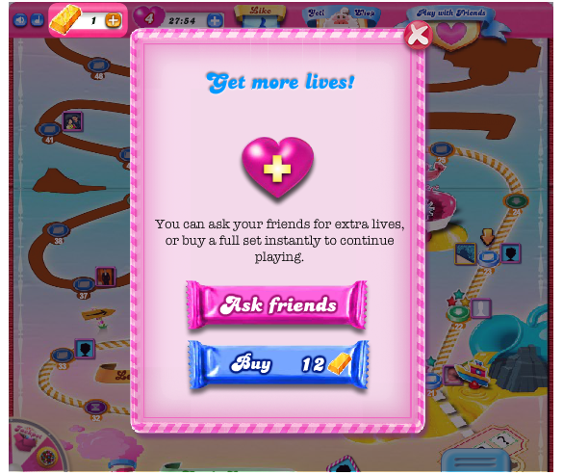
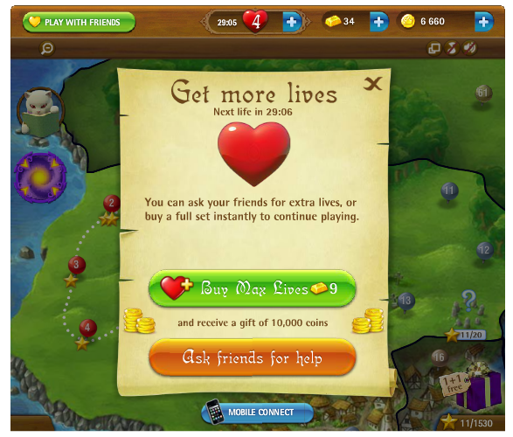

NOTE: Since we have a common BUY life screen, we just need to add the "ASK FRIENDS" button on it.
2. After clicking "Ask Friends" we can use the standard Facebook dialog for request instead of making another screen to save time and effort :)
we can also use Facebook API 'send request' or 'apprequest' for individual for sending lives.

3. Loading Sprite

Facebook images
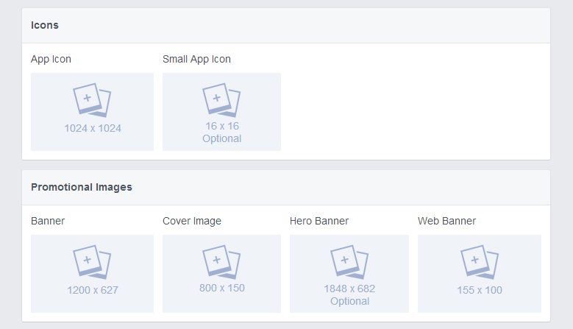

* Only the icons are the important ones, but Promotional banners can be helpful in promoting the game :)

